About Levelset
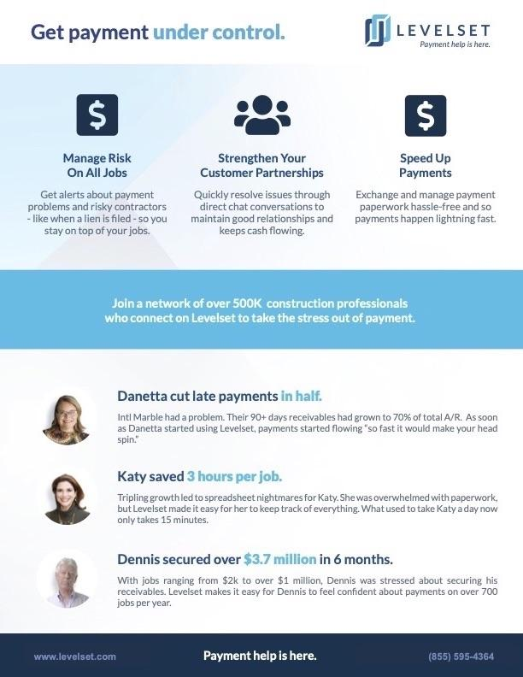
Learn how Levelset helps thousands of contractors get paid faster

