About Levelset
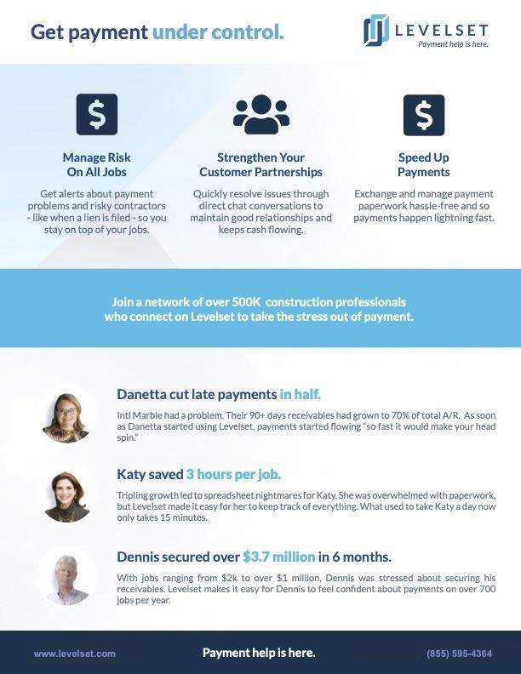
Learn how Levelset helps contractors get paid faster | Learn how Levelset helps contractors get paid faster

