About Levelset
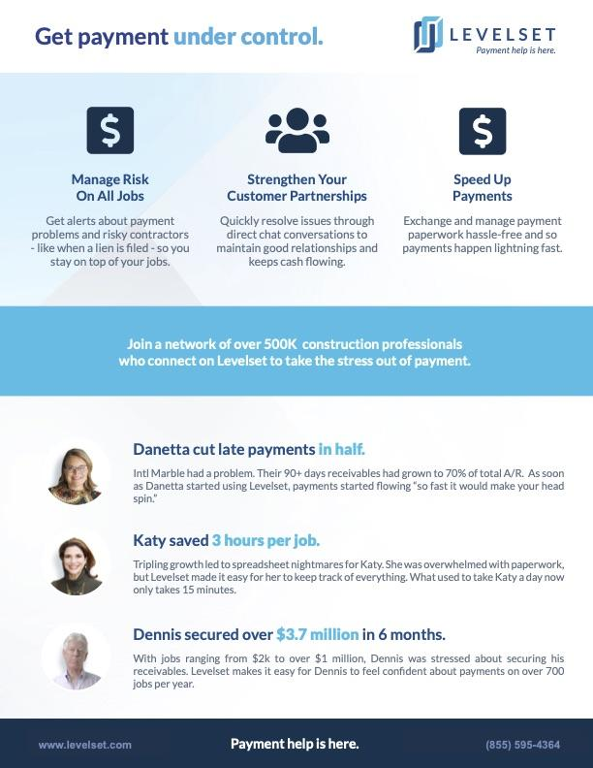
Learn what Levelset can do for you

